Start
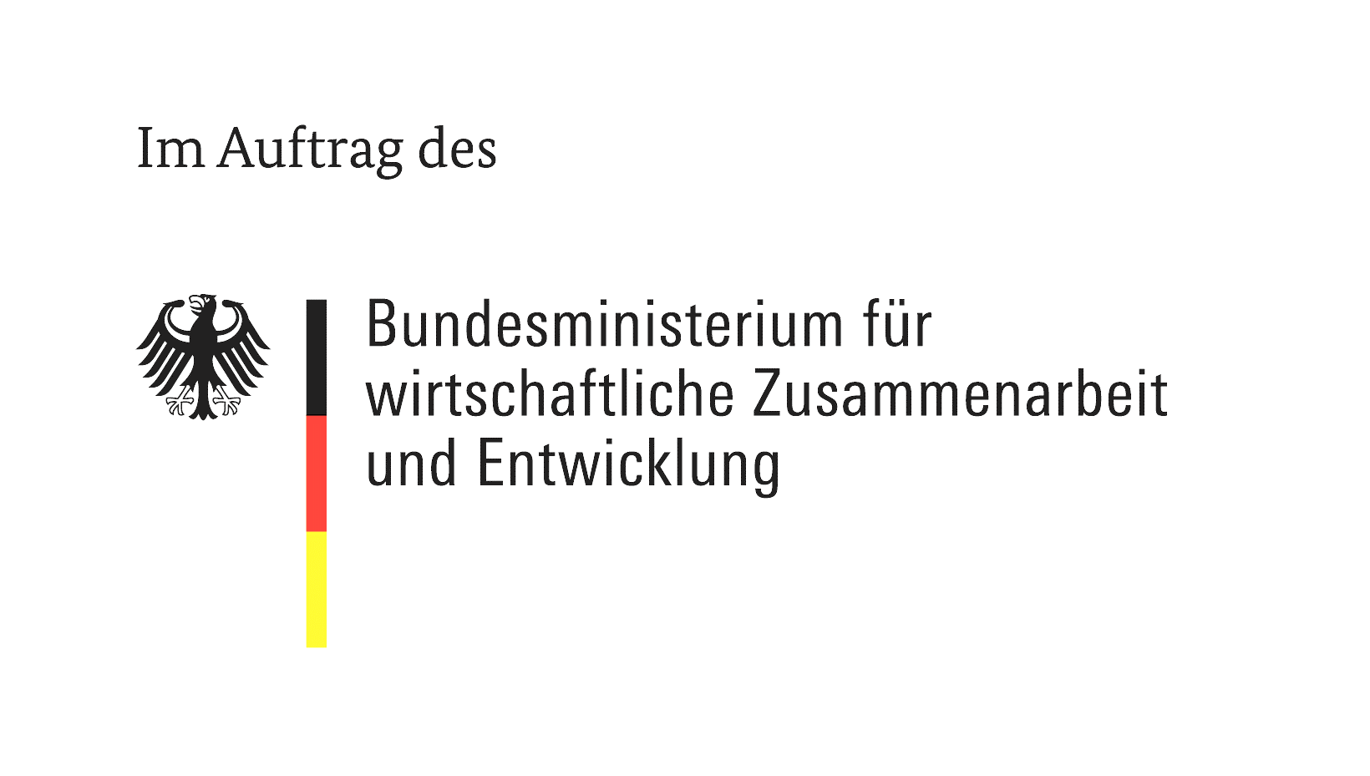
Programme "Shaping development-oriented migration" (MEG)
Diaspora Small Scale Project Fund
Bitte wählen Sie Ihre bevorzugte Sprache / Please choose your preferred language: | English
This template gives you the opportunity to present your project idea to us (= project outline). The project outline should provide a brief overview and outline the objectives of the project. In addition to the description of the idea, we need further information about your organisation and the partner organisation with which you would like to implement the project. Please fill in this form either in German or English. Please do not send us any other documents (project flyers, association documents, etc.) at this stage. The saved excel file shall be sent exclusively to diaspora-organisation@giz.de. Please note the information in the document ‘Information on the funding programme’. To continue, click on the red arrow.

Übersicht - Overview
Start
Overview

The project outline consists of six (6) parts. Here you can see which parts you have already filled out and which ones are still missing.

Incomplete | Basic information on your project idea
Incomplete | Description of your project idea
Incomplete | Information about your organisation
Incomplete | Information about your project partner (Partner Organisation)
Incomplete | Association documents at hand
Incomplete | Consent

Notice:
You have not yet started filling in the outline. To do this, click on the red arrow. Tip: click on the ℹ symbol to obtain further information on the respective questions.

